2014 2015 Results
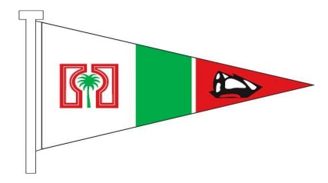
 |  | Ras Al Hamra Boat Club H16 Team Races: Overal Results 2013-2014

 | Date | 26-Sep-14 | 31-Oct-14 | 5-Dec-14 | 9-Jan-15 | 6-Feb-15 | 6-Mar-15 | 3-Apr-15 | 2-May-15 | 5-Jun-15 | 19-Jun-15 | 20-Jun-15
 | Team race | 1 | 2 | 3 | 4 | 5 | 6 | 7 | 8 | 9 | 10
 | OOD | 16s-1 | S-Tur | Giants | Aeolus 1 | 16s-2 | S-Tun | Titans | 16s-3 | Giants | Aeolus 2 |  | Points | Discard | Overall Points | Overall Position
1 | 16's-2 | 18 |  |  |  |  |  |  |  |  |  |  | 18 |  | 18 | 1
2 | Giants | 22 |  |  |  |  |  |  |  |  |  |  | 22 |  | 22 | 2
3 | Aeolus 1 | 25 |  |  |  |  |  |  |  |  |  |  | 25 |  | 25 | 3
4 | 16's-1 | 39 |  |  |  |  |  |  |  |  |  |  | 39 |  | 39 | 4
5 | Titans | 42 |  |  |  |  |  |  |  |  |  |  | 42 |  | 42 | 5
6 | Aeolus 2 | 48 |  |  |  |  |  |  |  |  |  |  | 48 |  | 48 | 6
7 | Surfin Turtles | 55 |  |  |  |  |  |  |  |  |  |  | 55 |  | 55 | 7
8 | 16's-3 | 74 |  |  |  |  |  |  |  |  |  |  | 74 |  | 74 | 8
9 | Surfin Tunas | 84 |  |  |  |  |  |  |  |  |  |  | 84 |  | 84 | 9
10 |  |  |  |  |  |  |  |  |  |  |  |  |  |  | 0
11 |  |  |  |  |  |  |  |  |  |  |  |  |  |  | 0
12 |  |  |  |  |  |  |  |  |  |  |  |  |  |  | 0
 | Spare 1 (first come first serve) |  |  |  |  |  |  |  |  |  |  |  |  |  | 0
 | Spare 2 (first come first serve) |  |  |  |  |  |  |  |  |  |  |  |  |  | 0
 | Spare 3 (first come first serve) |  |  |  |  |  |  |  |  |  |  |  |  |  | 0

